Introduction

 | Low Carbon Fuel Standard Tier 1 CI Calculator for Landfill Gas Biomethane (Release Date: 07/01/2025)
 | The Tier 1 Calculator for Landfill Gas Biomethane offers a simplified interface for calculating the carbon intensity (CI) of landfill biogas that is upgraded to biomethane and used in a transportation vehicle as compressed natural gas (Bio-CNG) or liquified natural gas (Bio-LNG). To begin, navigate to the "Site-Specific Inputs" worksheet and enter all relevant project data. For Tier 1 pathways, a minimum of 3 months of operational data is required. Carbon Intensity (CI) results are provided on the "Pathway Summary" worksheet, along with calculated input results and finished fuel quantities. Pathway-specific Operating Conditions may be added by CARB prior to pathway certification. The "CA-GREET4.0" worksheet contains predefined input values from the CA-GREET4.0 model. Data entered by the applicant are limited to User Input cells (see Color Key below). Additional worksheets may be added to the calculator by the applicant to document and support User Input cell values, but existing worksheets and cells containing Calculated Value or CA-GREET4.0 Input values may not be modified without CARB approval via a Tier 2 pathway. Note: This calculator contains macros that allow the user to hide site-specific input fields that are not relevant to a given pathway. In order for macros to function properly, the "Enable Content" button in Microsoft Excel must be selected upon opening this calculator. In order to ensure that CI calculations reflect the most recent inputs, select "Automatic" calculations from the "Calculation Options" in the "Formulas" toolbar or press F9 (if using Microsoft Excel).
 |  | Color Key | LCFS Website Resources
 |  | User Input | LCFS Program Overview
 |  | Calculated Value | Tier 1 Pathway Calculators and Instruction Manuals
 |  | CA-GREET4.0 | Tier 1 Pathway Application Process

 |  | `

CA-GREET4.0
CA-GREET4.0 Emission Factors and Specifications |  |  |  |  | Unit Conversion
Category | Sub-Category | Name | Value | Unit | Energy | 1 kJ | 1 MJ | 1 kWh | 1 BTU | 1 MMBtu
Fuel Specifications | Energy Density | Liquefied Natural Gas (LNG) | 78.8 | MJ/gallon, LHV | Joule (J) | 1,000 | 1,000,000 | 3,600,000 | 1,055 | 1,055,055,850
 |  | Liquefied Petroleum Gas (LPG) | 89.6 |  | Kilojoule (kJ) | 1.00 | 1,000 | 3,600 | 1.055 | 1,055,056
 |  | Ultra Low Sulfur Diesel | 134.5 |  | Megajoule (MJ) | 0.00100 | 1.000 | 3.60 | 0.001055 | 1,055
 |  | Methane | 0.960 | MJ/ft3, LHV | Watt-hour (Wh) | 0.278 | 278 | 1,000 | 0.293 | 293,071
 |  |  | 19.2 | grams/ft3 | Kilowatt-hour (kWh) | 0.000278 | 0.278 | 1.00 | 0.000293 | 293
 | LHV/HHV Ratio | Natural Gas | 0.903 |  | British Thermal Unit (BTU) | 0.948 | 948 | 3,412 | 1.00 | 1,000,000
LFG Extraction and Processing | Process Energy | LFG Extraction | 0.00598 | kWh/MJ LFG, LHV | Million British Thermal Unit (MMBtu) | 0.000000948 | 0.000948 | 0.00341 | 0.00000100 | 1.00
 |  | Natural Gas | 75,496 | gCO2e/MMBtu, LHV | Mass | 1 g | 1 kg | 1 MT | 1 lb | 1 short ton
 |  | LPG or Propane | 7,345 | gCO2e/gallon | Gram (g) | 1.00 | 1,000 | 1,000,000 | 454 | 907,185
 |  | Diesel | 12,308 |  | Kilogram (kg) | 0.00100 | 1.00 | 1,000 | 0.454 | 907
 | Feed Loss | Fugitive Methane | 1% | % E/E | Metric Ton (MT) | 0.00000100 | 0.00100 | 1.00 | 0.000454 | 0.907
Biomethane Transport | Pipeline | Evaporative Losses | 0.00000325 | %/mile | Pound (lb) | 0.00220 | 2.20 | 2,205 | 1.00 | 2,000
 |  | Transport Energy | 0.00389 | gCO2e/MJ-mile, LHV | Short Ton (US Ton) | 0.00000110 | 0.00110 | 1.10 | 0.000500 | 1.00
 | LNG Truck | LNG Transport | 0.00658 |  | Volume | 1 m3 | 1 ml | 1 L | 1 gal | 1 ft3
 |  | Evaporative Losses - With Boil-Off Recovery | 0.00312 | % | Cubic Meter (m3) | 1.00 | 0.00000100 | 0.00100 | 0.00379 | 0.0283
 |  | Evaporative Losses - Without Boil-Off Recovery | 0.01559 |  | Milliliter (ml) | 1,000,000 | 1.00 | 1,000 | 3,785 | 28,317
 | Compression | at Fueling Station | 2.96 | gCO2e/MJ RNG, LHV | Liter (L) | 1,000 | 0.00100 | 1.00 | 3.79 | 28.3
Vehicle Tailpipe Emissions | Bio-CNG | Non-CO2 Emissions | 5.51 |  | Gallon (gal) | 264 | 0.000264 | 0.264 | 1.00 | 7.48
 | Bio-LNG | Non-CO2 Emissions | 5.51 |  | Cubic Foot (ft3) | 35.3 | 0.0000353 | 0.0353 | 0.134 | 1.00
Grid Electricity | 2021 eGRID Region | U.S. Average | 474 | gCO2e/kWh
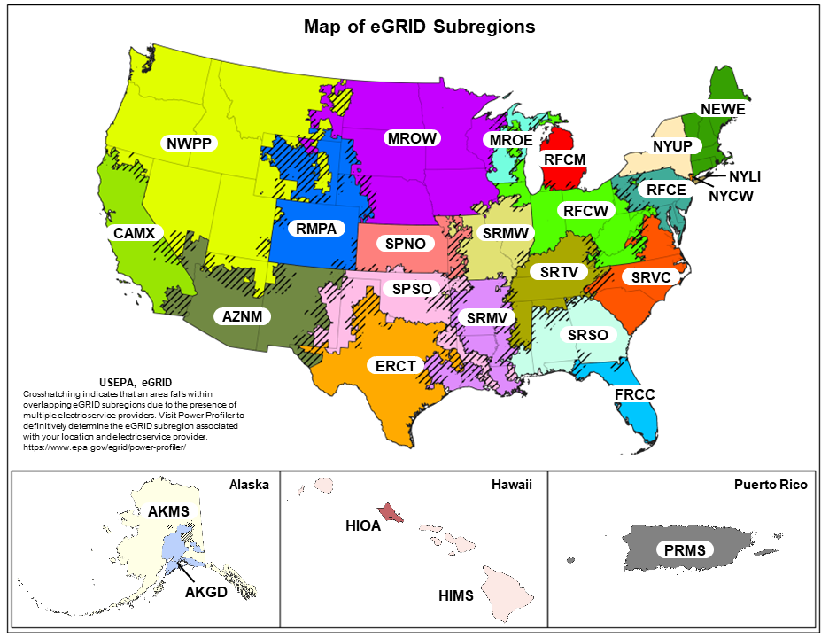
 |  | AKGD | 739
 |  | AKMS | 305
 |  | AZNM | 453
 |  | CAMX | 329
 |  | ERCT | 470
 |  | FRCC | 500
 |  | HIMS | 730
 |  | HIOA | 993
 |  | MROE | 835
 |  | MROW | 522
 |  | NEWE | 344
 |  | NWPP | 342
 |  | NYCW | 523
 |  | NYLI | 603
 |  | NYUP | 154
 |  | PRMS | 865
 |  | RFCE | 403
 |  | RFCM | 648
 |  | RFCW | 572
 |  | RMPA | 581
 |  | SPNO | 519
 |  | SPSO | 538
 |  | SRMV | 480
 |  | SRMW | 820
 |  | SRSO | 509
 |  | SRTV | 504
 |  | SRVC | 371
 |  | Brazil | 111
 |  | Canada | 143
 |  | User Defined

